All debit
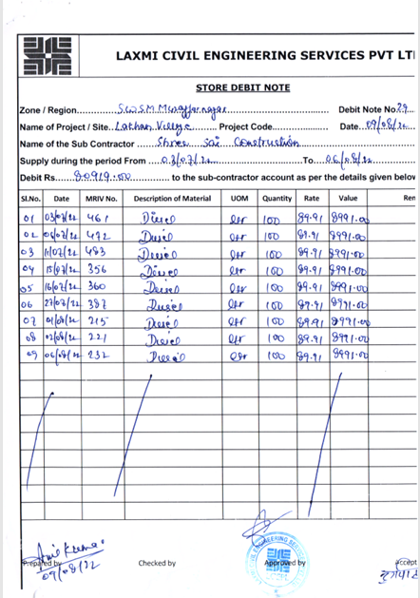
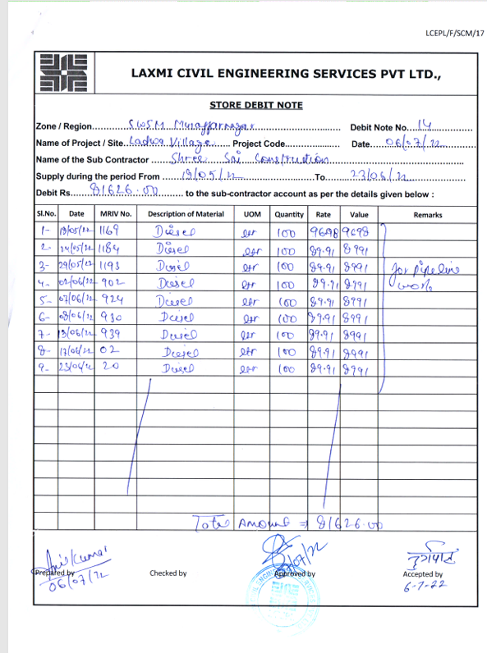
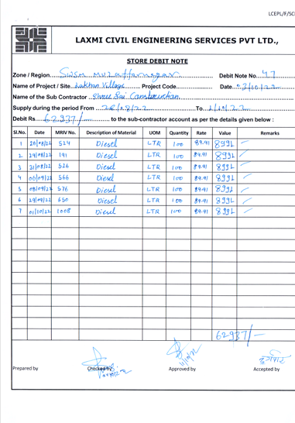
S.NO. | Date Of Issue | Issue Slip No | Name of Party | FUEL (In Ltr) | Petrol Pump Slip No. | Latest Rate | Amount (In Rs.) | Remarks | ISSUE FOR | DEBIT NOTE NO. | Tax Invocies On PMC
1 | 31.10.2022 | 1126 | Shree Sai Construction | 150.00 | 2072 | 89.91 | 13,486.50 | Debit to M/s Shree Sai Construction | Pipeline work at Lakhan Village | 565/03.07.2023 | DEBIT NOTE UPLOAD ON PMC NO 51538 | LAXMI CONSTRUCTION OWNER SAME
2 | 31.08.2022 | 526 | Shree Sai Construction | 100 | 847 | 89.91 | 8,991.00 | Debit to M/s Shree Sai Construction | Pipeline work at Lakhan Village | 73/03.10.2022 | 65/03.10.2022 | LAXMI CONSTRUCTION OWNER SAME
3 | 30.12.2022 | 2246 | Shree Sai Construction | 200.00 | 1795 | 89.91 | 17,982.00 | Debit to M/s Shree Sai Construction | Pipeline work at bhuraheri village |  | Bill Pending | LAXMI CONSTRUCTION OWNER SAME
4 | 29.11.2022 | 1595 | Shree Sai Construction | 200.00 | 2315 | 89.91 | 17,982.00 | Debit to M/s Shree Sai Construction | Pipeline work at Lakhan Village | 565/03.07.2023 | DEBIT NOTE UPLOAD ON PMC NO 51538 | LAXMI CONSTRUCTION OWNER SAME
5 | 29.11.2022 | 1596 | Shree Sai Construction | 200.00 | 2316 | 89.91 | 17,982.00 | Debit to M/s Shree Sai Construction | Pipeline work at bhuraheri village |  | Bill Pending | LAXMI CONSTRUCTION OWNER SAME
6 | 29.09.2022 | 650 | Shree Sai Construction | 100.00 | 1002 | 89.91 | 8,991.00 | Debit to M/s Shree Sai Construction | Pipeline work at Lakhan Village | 73/03.10.2022 | 65/03.10.2022 | LAXMI CONSTRUCTION OWNER SAME
7 | 29.08.2022 | 191 | Shree Sai Construction | 100 | 836 | 89.91 | 8,991.00 | Debit to M/s Shree Sai Construction | Pipeline work at Lakhan Village | 73/03.10.2022 | 65/03.10.2022 | LAXMI CONSTRUCTION OWNER SAME
8 | 29.05.2022 | 1193 | Shree Sai Construction | 100.00 | 434 | 89.91 | 8,991.00 | Debit to M/s Shree Sai Construction | Pipeline work at Ladwa Village | 14/06.07.2022 | 60/06.07.2022 | LAXMI CONSTRUCTION OWNER SAME
9 | 27.07.2022 | 387 | Shree Sai Construction | 100.00 | 4133 | 89.91 | 8,991.00 | Debit to M/s Shree Sai Construction | Pipeline work at Lakhan Village | 29/09.08.2022 | 62/09.08.2022 | LAXMI CONSTRUCTION OWNER SAME
10 | 26.12.2022 | 2213 | Shree Sai Construction | 200.00 | 1765 | 89.91 | 17,982.00 | Debit to M/s Shree Sai Construction | Pipeline work at bhuraheri village |  | Bill Pending | LAXMI CONSTRUCTION OWNER SAME
11 | 26.08.2022 | 524 | Shree Sai Construction | 100 | 823 | 89.91 | 8,991.00 | Debit to M/s Shree Sai Construction | Pipeline work at Lakhan Village | 73/03.10.2022 | 65/03.10.2022 | LAXMI CONSTRUCTION OWNER SAME
12 | 25.11.2022 | 1578 | Shree Sai Construction | 200.00 | 2397 | 89.91 | 17,982.00 | Debit to M/s Shree Sai Construction | Pipeline work at bhuraheri village |  | Bill Pending | LAXMI CONSTRUCTION OWNER SAME
13 | 25.11.2022 | 1579 | Shree Sai Construction | 200.00 | 2398 | 89.91 | 17,982.00 | Debit to M/s Shree Sai Construction | Pipeline work at Lakhan Village | 565/03.07.2023 | DEBIT NOTE UPLOAD ON PMC NO 51538 | LAXMI CONSTRUCTION OWNER SAME
14 | 24.05.2022 | 1184 | Shree Sai Construction | 100.00 | 423 | 89.91 | 8,991.00 | Debit to M/s Shree Sai Construction | Pipeline work at Ladwa Village | 14/06.07.2022 | 60/06.07.2022 | LAXMI CONSTRUCTION OWNER SAME
15 | 23.06.2022 | 20 | Shree Sai Construction | 100.00 | 492 | 89.91 | 8,991.00 | Debit to M/s Shree Sai Construction | Pipeline work at Ladwa Village | 14/06.07.2022 | 60/06.07.2022 | LAXMI CONSTRUCTION OWNER SAME
16 | 21.12.2022 | 2191 | Shree Sai Construction | 200.00 | 1894 | 89.91 | 17,982.00 | Debit to M/s Shree Sai Construction | Pipeline work at bhuraheri village |  | Bill Pending | LAXMI CONSTRUCTION OWNER SAME
17 | 21.11.2022 | 1299 | Shree Sai Construction | 200.00 | 2375 | 89.91 | 17,982.00 | Debit to M/s Shree Sai Construction | Pipeline work at bhuraheri village |  | Bill Pending | LAXMI CONSTRUCTION OWNER SAME
18 | 21.11.2022 | 1299 | Shree Sai Construction | 200.00 | 2374 | 89.91 | 17,982.00 | Debit to M/s Shree Sai Construction | Pipeline work at Lakhan Village | 565/03.07.2023 | DEBIT NOTE UPLOAD ON PMC NO 51538 | LAXMI CONSTRUCTION OWNER SAME
19 | 18.05.2022 | 1169 | Shree Sai Construction | 100.00 | 417 | 96.98 | 9,698.00 | Debit to M/s Shree Sai Construction | Pipeline work at Ladwa Village | 14/06.07.2022 | 60/06.07.2022 | LAXMI CONSTRUCTION OWNER SAME
20 | 17.06.2022 | 2 | Shree Sai Construction | 100.00 | 483 | 89.91 | 8,991.00 | Debit to M/s Shree Sai Construction | Pipeline work at Ladwa Village | 14/06.07.2022 | 60/06.07.2022 | LAXMI CONSTRUCTION OWNER SAME
21 | 16.12.2022 | 2168 | Shree Sai Construction | 200.00 | 1870 | 89.91 | 17,982.00 | Debit to M/s Shree Sai Construction | Pipeline work at bhuraheri village |  | Bill Pending | LAXMI CONSTRUCTION OWNER SAME
22 | 16.07.2022 | 360 | Shree Sai Construction | 100.00 | 4108 | 89.91 | 8,991.00 | Debit to M/s Shree Sai Construction | Pipeline work at Lakhan Village | 29/09.08.2022 | 62/09.08.2022 | LAXMI CONSTRUCTION OWNER SAME
23 | 15.11.2022 | 1269 | Shree Sai Construction | 200.00 | 2148 | 89.91 | 17,982.00 | Debit to M/s Shree Sai Construction | Pipeline work at Lakhan Village | 565/03.07.2023 | DEBIT NOTE UPLOAD ON PMC NO 51538 | LAXMI CONSTRUCTION OWNER SAME
24 | 15.11.2022 | 1270 | Shree Sai Construction | 200.00 | 2147 | 89.91 | 17,982.00 | Debit to M/s Shree Sai Construction | Pipeline work at bhuraheri village |  | Bill Pending | LAXMI CONSTRUCTION OWNER SAME
25 | 15.07.2022 | 356 | Shree Sai Construction | 100.00 | 4104 | 89.91 | 8,991.00 | Debit to M/s Shree Sai Construction | Pipeline work at Lakhan Village | 29/09.08.2022 | 62/09.08.2022 | LAXMI CONSTRUCTION OWNER SAME
26 | 13.12.2022 | 2089 | Shree Sai Construction | 200.00 | 1843 | 89.91 | 17,982.00 | Debit to M/s Shree Sai Construction | Pipeline work at bhuraheri village |  | Bill Pending | LAXMI CONSTRUCTION OWNER SAME
27 | 13.06.2022 | 939 | Shree Sai Construction | 100.00 | 471 | 89.91 | 8,991.00 | Debit to M/s Shree Sai Construction | Pipeline work at Ladwa Village | 14/06.07.2022 | 60/06.07.2022 | LAXMI CONSTRUCTION OWNER SAME
28 | 11.11.2022 | 699 | Shree Sai Construction | 200.00 | 2127 | 89.91 | 17,982.00 | Debit to M/s Shree Sai Construction | Pipeline work at bhuraheri village |  | Bill Pending | LAXMI CONSTRUCTION OWNER SAME
29 | 11.11.2022 | 700 | Shree Sai Construction | 200.00 | 2128 | 89.91 | 17,982.00 | Debit to M/s Shree Sai Construction | Pipeline work at Lakhan Village | 565/03.07.2023 | DEBIT NOTE UPLOAD ON PMC NO 51538 | LAXMI CONSTRUCTION OWNER SAME
30 | 11.07.2022 | 483 | Shree Sai Construction | 100.00 | 2293 | 89.91 | 8,991.00 | Debit to M/s Shree Sai Construction | Pipeline work at Lakhan Village | 29/09.08.2022 | 62/09.08.2022 | LAXMI CONSTRUCTION OWNER SAME
31 | 10.12.2022 | 2053 | Shree Sai Construction | 200.00 | 1822 | 89.91 | 17,982.00 | Debit to M/s Shree Sai Construction | Pipeline work at Lakhan Village | 565/03.07.2023 | DEBIT NOTE UPLOAD ON PMC NO 51538 | LAXMI CONSTRUCTION OWNER SAME
32 | 10.12.2022 | 2054 | Shree Sai Construction | 200.00 | 1823 | 89.91 | 17,982.00 | Debit to M/s Shree Sai Construction | Pipeline work at bhuraheri village |  | Bill Pending | LAXMI CONSTRUCTION OWNER SAME
33 | 08.09.2022 | 576 | Shree Sai Construction | 100.00 | 881 | 89.91 | 8,991.00 | Debit to M/s Shree Sai Construction | Pipeline work at Lakhan Village | 73/03.10.2022 | 65/03.10.2022 | LAXMI CONSTRUCTION OWNER SAME
34 | 08.06.2022 | 930 | Shree Sai Construction | 100.00 | 463 | 89.91 | 8,991.00 | Debit to M/s Shree Sai Construction | Pipeline work at Ladwa Village | 14/06.07.2022 | 60/06.07.2022 | LAXMI CONSTRUCTION OWNER SAME
35 | 07.11.2022 | 675 | Shree Sai Construction | 200.00 | 2102 | 89.91 | 17,982.00 | Debit to M/s Shree Sai Construction | Pipeline work at Lakhan Village | 565/03.07.2023 | DEBIT NOTE UPLOAD ON PMC NO 51538 | LAXMI CONSTRUCTION OWNER SAME
36 | 07.11.2022 | 676 | Shree Sai Construction | 200.00 | 2103 | 89.91 | 17,982.00 | Debit to M/s Shree Sai Construction | Pipeline work at bhuraheri village |  | Bill Pending | LAXMI CONSTRUCTION OWNER SAME
37 | 07.06.2022 | 924 | Shree Sai Construction | 100.00 | 457 | 89.91 | 8,991.00 | Debit to M/s Shree Sai Construction | Pipeline work at Ladwa Village | 14/06.07.2022 | 60/06.07.2022 | LAXMI CONSTRUCTION OWNER SAME
38 | 07.02.2023 | 2505 | Shree Sai Construction | 200.00 | 1176 | 89.91 | 17,982.00 | Debit to M/s Shree Sai Construction | Pipeline work at bhuraheri village |  |  | LAXMI CONSTRUCTION OWNER SAME
39 | 06.12.2022 | 2037 | Shree Sai Construction | 200.00 | 1806 | 89.91 | 17,982.00 | Debit to M/s. Shree Sai Construction | Pipeline work at Lakhan Village | 565/03.07.2023 | DEBIT NOTE UPLOAD ON PMC NO 51538 | LAXMI CONSTRUCTION OWNER SAME
40 | 06.12.2022 | 2038 | Shree Sai Construction | 200.00 | 1807 | 89.91 | 17,982.00 | Debit to M/s. Shree Sai Construction | Pipeline work at bhuraheri village |  | Bill Pending | LAXMI CONSTRUCTION OWNER SAME
41 | 06.09.2022 | 566 | Shree Sai Construction | 100.00 | 873 | 89.91 | 8,991.00 | Debit to M/s Shree Sai Construction | Pipeline work at Lakhan Village | 73/03.10.2022 | 65/03.10.2022 | LAXMI CONSTRUCTION OWNER SAME
42 | 06.08.2022 | 232 | Shree Sai Construction | 100.00 | 4166 | 89.91 | 8,991.00 | Debit to M/s Shree Sai Construction | Pipeline work at Lakhan Village | 29/09.08.2022 | 62/09.08.2022 | LAXMI CONSTRUCTION OWNER SAME
43 | 06.07.2022 | 472 | Shree Sai Construction | 100.00 | 2283 | 89.91 | 8,991.00 | Debit to M/s Shree Sai Construction | Pipeline work at Lakhan Village | 29/09.08.2022 | 62/09.08.2022 | LAXMI CONSTRUCTION OWNER SAME
44 | 05.11.2022 | 669 | Shree Sai Construction | 200.00 | 2096 | 89.91 | 17,982.00 | Debit to M/s Shree Sai Construction | Pipeline wor for Harenti Saleempur village | 778/ 14.09.2023 | BILL HARENTI SALEMPUR PARBEEN ENTERPRISES | LAXMI CONSTRUCTION OWNER SAME
45 | 04.11.2022 | 664 | Shree Sai Construction | 200.00 | 2091 | 89.91 | 17,982.00 | Debit to M/s Shree Sai Construction | Pipeline work at Lakhan Village | 565/03.07.2023 | DEBIT NOTE UPLOAD ON PMC NO 51538 | LAXMI CONSTRUCTION OWNER SAME
46 | 04.11.2022 | 665 | Shree Sai Construction | 200.00 | 2092 | 89.91 | 17,982.00 | Debit to M/s Shree Sai Construction | Pipeline work at bhuraheri village |  | Bill Pending | LAXMI CONSTRUCTION OWNER SAME
47 | 04.10.2022 | 1021 | Shree Sai Construction | 150.00 | 1024 | 89.91 | 13,486.50 | Debit to M/s Shree Sai Construction | Pipeline work at Lakhan Village | 565/03.07.2023 | DEBIT NOTE UPLOAD ON PMC NO 51538 | LAXMI CONSTRUCTION OWNER SAME
48 | 04.01.2023 | 2468 | Shree Sai Construction | 200.00 | 1717 | 89.91 | 17,982.00 | Debit to M/s Shree Sai Construction | Pipeline work at bhuraheri village |  | Bill Pending | LAXMI CONSTRUCTION OWNER SAME
49 | 03.12.2022 | 2017 | Shree Sai Construction | 200.00 | 2338 | 89.91 | 17,982.00 | Debit to M/s. Shree Sai Construction | Pipeline work at Lakhan Village | 565/03.07.2023 | DEBIT NOTE UPLOAD ON PMC NO 51538 | LAXMI CONSTRUCTION OWNER SAME
50 | 03.12.2022 | 2018 | Shree Sai Construction | 230.00 | 2339 | 89.91 | 20,679.30 | Debit to M/s. Shree Sai Construction | Pipeline work at bhuraheri village |  | Bill Pending | LAXMI CONSTRUCTION OWNER SAME
51 | 03.07.2022 | 461 | Shree Sai Construction | 100.00 | 2273 | 89.91 | 8,991.00 | Debit to M/s Shree Sai Construction | Pipeline work at Lakhan Village | 29/09.08.2022 | 62/09.08.2022 | LAXMI CONSTRUCTION OWNER SAME
52 | 02.08.2022 | 221 | Shree Sai Construction | 100.00 | 4155 | 89.91 | 8,991.00 | Debit to M/s Shree Sai Construction | Pipeline work at Lakhan Village | 29/09.08.2022 | 62/09.08.2022 | LAXMI CONSTRUCTION OWNER SAME
53 | 02.06.2022 | 902 | Shree Sai Construction | 100.00 | 439 | 89.91 | 8,991.00 | Debit to M/s Shree Sai Construction | Pipeline work at Ladwa Village | 14/06.07.2022 | 60/06.07.2022 | LAXMI CONSTRUCTION OWNER SAME
54 | 01.10.2022 | 1008 | Shree Sai Construction | 100.00 | 1012 | 89.91 | 8,991.00 | Debit to M/s Shree Sai Construction | Pipeline work at Lakhan Village | 73/03.10.2022 | 65/03.10.2022 | LAXMI CONSTRUCTION OWNER SAME
55 | 01.08.2022 | 215 | Shree Sai Construction | 100.00 | 4149 | 89.91 | 8,991.00 | Debit to M/s Shree Sai Construction | Pipeline work at Lakhan Village | 29/09.08.2022 | 62/09.08.2022 | LAXMI CONSTRUCTION OWNER SAME
 |  |  |  |  |  |  | 758,648.30

 | Total Debit Amount |  | 749,657.30
 | Total Debit Done |  | 225482
 | Balance to debit |  | 524,175.30

Tax Invoice 62 |  |  | 51538 |  |  |  | Tax Invoice 65 | 51538 |  | Tax Invoice 60 | 51242

